Trade Studies
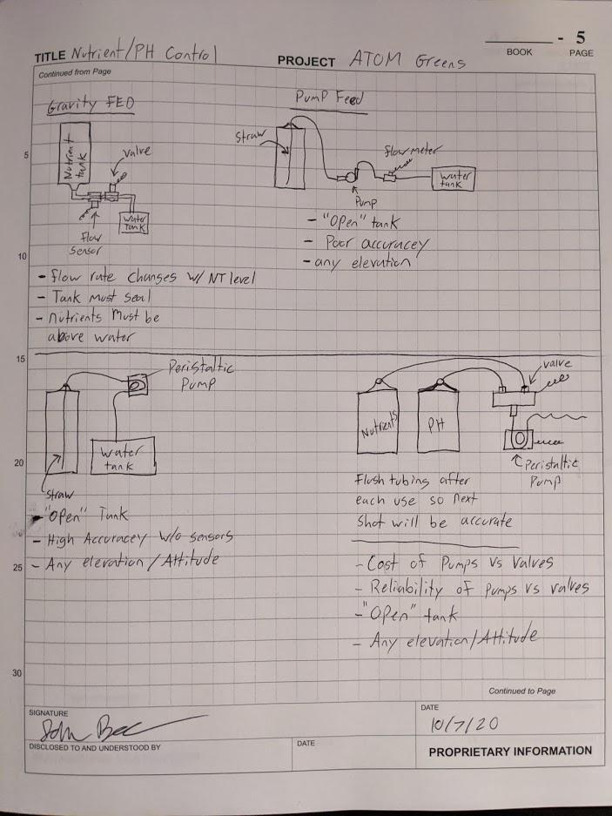
Nutrient/ PH Delivery Method, Decision Matrix
Date: | 2020-10-08 | Created By: |  | John B.
 |  | Gravity Fed (Valve+Flow) |  | Centrifugal Pump + Flow |  | Dual Peristaltic |  | Single Peristaltic + Valve
Criteria | Weight: %/100 | Score: /5 | Weighted Score | Score: /5 | Weighted Score | Score: /5 | Weighted Score | Score: /5 | Weighted Score
Cost |  |  | 0 |  | 0 |  | 0 |  | 0
Control System Complexity |  |  | 0 |  | 0 |  | 0 |  | 0
Part Count |  |  | 0 |  | 0 |  | 0 |  | 0
Accuracy |  |  | 0 |  | 0 |  | 0 |  | 0
Reliability (Cycles) |  |  | 0 |  | 0 |  | 0 |  | 0
 |  |  | 0
 |  |  | 0

Points Total: | 0% |  | 0 |  | 0% |  | 0% |  | 0%

Key: Score-> | 1 | 2 | 3 | 4 | 5
Cost
Control System Complexity
Part Count
Accuracy | 15ml | 10 ml | 5 ml | 1 ml | .5 ml
Reliability (Cycles)

